Cover
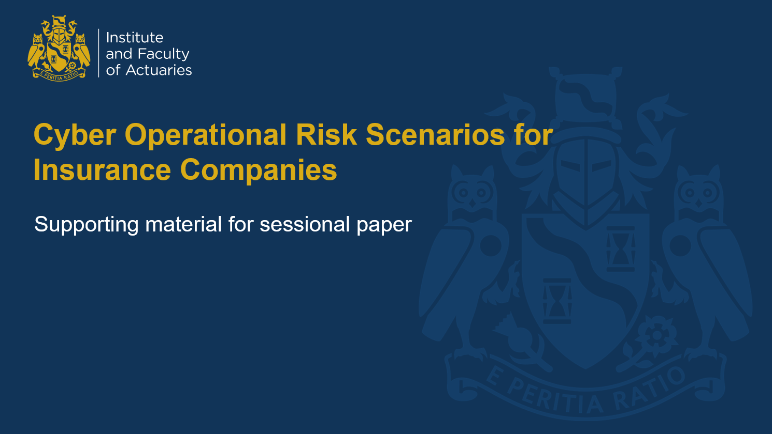

CRO Forum Taxonomy (1)
CRO Forum Taxonomy (1)
Assessment of the scenario 1 against the CRO forum framework to identify key risk areas and costs

Scenario
A general (non-life) insurer writing a diverse business including a large motor portfolio is hacked by an internal staff member. Details of all motor insurance policyholders are leaked onto an internet website and are widely available.

Business Description
The insurer has a global presence, with over £10bn in revenue. The UK motor insurance book is a major unit of the insurer, with £1bn annual premium. The UK motor insurance portfolio contains 4m data records, with 3m policyholders on risk and 1m legacy records.

Incident Details
An employee had a poor working relationship with their manager. Low morale led to resentment and the employee decided to take harmful action. The employee published all motor insurance policyholder data online, both financial and non-financial. They accessed financial data including credit card information by persuading other employees to give access a few weeks’ earlier using social engineering techniques. The data leak was noticed by a policyholder who called the emergency claims team. This did not get escalated appropriately and it took another day before key staff members were aware of the data breach. Slow response and poor communication with the public led to a backlash from policyholders who took to social media to vent their anger. Employees also shared their opinion on social media around poor working practices. Investors, concerned at the poor controls in place and potential reputational damage to the remainder of the business, sold shares resulting in a 5% drop in share price overnight.

Cyber Classification |  |  |  |  | Event Type

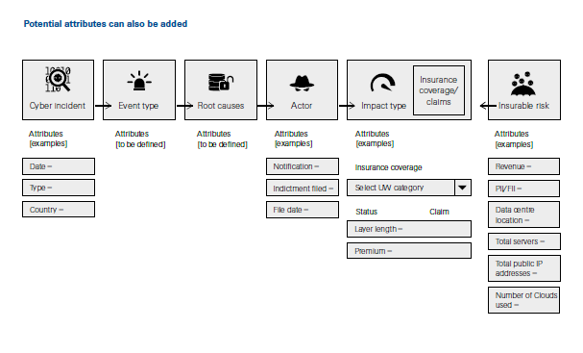
# | Incident type group | Incident type | Relevant |  | Level 1 Category | Level 2 Categories | Relevant
1 | System malfunction/issue | Own system malfunction | ✗ |  | Internal fraud | Unauthorised activity | ✗
2 | System malfunction/issue | Own system affected by malware | ✗ |  |  | Internal theft & fraud | ✓
3 | System malfunction/issue | Network communication malfunction | ✗ |  |  | System security internal wilful damage | ✗
4 | System malfunction/issue | Inadvertent disruption of third-party system | ✗ |  | External fraud | External theft and Fraud | ✗
5 | System malfunction/issue | Disruption of external digital infrastructure | ✗ |  |  | System Security External – Wilful Damage | ✗
6 | Data confidentiality | Theft of own data | ✓ |  | Employment practices and workplace safety | Employee Relations | ✓
7 | Data confidentiality | Theft of third party data | ✗ |  |  | Safe Workplace Environment | ✗
8 | Data integrity / Availability | Deletion of own data | ✗ |  |  | Employment Diversity & Discrimination | ✗
9 | Data integrity / Availability | Encryption of own data | ✗ |  | Clients, products & business practices | Suitability, Disclosure & Fiduciary | ✗
10 | Data integrity / Availability | Corruption of own data | ✗ |  |  | Improper Business or Market Practices | ✗
11 | Data integrity / Availability | Deletion of third party data | ✗ |  |  | Product Flaws | ✗
12 | Data integrity / Availability | Encryption of third party data | ✗ |  |  | Selection, Sponsorship & Exposure | ✗
13 | Data integrity / Availability | Corruption of third party data | ✗ |  |  | Advisory Activities | ✗
14 | Malicious activity | Misuse of system | ✗ |  | Damage to physical assets | Natural disasters | ✗
15 | Malicious activity | Targeted malicious communication | ✗ |  |  | Accidents & Public Safety | ✗
16 | Malicious activity | Cyber Fraud, Cyber theft | ✗ |  |  | Wilful Damage and Terrorism | ✗
17 | Physical Impact | Physical Damage | ✗ |  | Business disruption and / or system failures | Systems failure internal | ✗
 |  |  |  |  |  | System failure external | ✗
 |  |  |  |  |  | Network unavailability | ✗
 |  |  |  |  | Execution, delivery & process management | Transaction Capture, Execution & Maintenance | ✗
 |  |  |  |  |  | Monitoring and Reporting | ✗
 |  |  |  |  |  | Customer Intake and Documentation | ✗
 |  |  |  |  |  | Customer / Client Account Management | ✗
 |  |  |  |  |  | Vendors & Suppliers | ✗

Root Cause |  |  |  | Threat Actors |  |  |  | Threat Vectors

# | People | Relevant |  | # | Actor | Relevant |  | Vector Type | Relevant | Target Type | Relevant | Attack Category | Relevant
1 | Employee qualification, technical skills, competence: Employee availability (composition of team, overwork, illness) | ✗ |  | 1 | Nation states | ✗ |  | Attack | ✗ | Application | ✗ | Abuse of Functionality | ✗
2 | Employee conduct (lack of motivation, integrity, honesty) | ✓ |  | 2 | Organised criminals | ✗ |  | Evasion Technique | ✗ | Data | ✓ | Application Denial of Service | ✗
3 | Employee human error: oversight error, omission | ✗ |  | 3 | Hackers | ✗ |  | Exploitation Method | ✓ | Domain | ✗ | Client Targeted 3rd Party References | ✗
4 | Culture/behaviour | ✓ |  | 4 | Hacktivists | ✗ |  | Vulnerability | ✗ | Mobile Application | ✗ | Client Targeted Syntax Reflection | ✗
5 | Poor communication | ✗ |  | 5 | Insiders | ✓ |  | Other | ✗ | Web Application | ✗ | Forced Access | ✗
6 | Employee deliberate harmful act (malicious insider) | ✓ |  |  |  |  |  |  |  | Web Service | ✗ | Insecure Communication Abuse | ✗
7 | Training & competence | ✗ |  |  |  |  |  |  |  |  |  | Insecure Configuration Abuse | ✗
8 | Key person / knowledge dependency | ✗ |  |  |  |  |  |  |  |  |  | Local Information Exposure | ✓
9 | Lack of human resources (poor segregation of duties) | ✗ |  |  |  |  |  |  |  |  |  | Logical Input Manipulation | ✗
10 | Other (only internal) | ✗ |  |  |  |  |  |  |  |  |  | Malicious Client Application | ✗
11 | - | ✗ |  |  |  |  |  |  |  |  |  | Memory Level Attacks | ✗
12 | - | ✗ |  |  |  |  |  |  |  |  |  | Phishing | ✗
13 | - | ✗ |  |  |  |  |  |  |  |  |  | Prominent Known Vulnerabilities | ✗
 |  |  |  |  |  |  |  |  |  |  |  | Resource Mapping | ✗
 |  |  |  |  |  |  |  |  |  |  |  | Security Mechanism Bypass | ✗
 |  |  |  |  |  |  |  |  |  |  |  | Server Side Information Exposure | ✗
 |  |  |  |  |  |  |  |  |  |  |  | Server Side Syntax Injection | ✗
 |  |  |  |  |  |  |  |  |  |  |  | Spoofing | ✗
 |  |  |  |  |  |  |  |  |  |  |  | Timed Attacks | ✗

NIST Summary (1)
NIST Summary (1)
Summary of the NIST assessment for scenario 1

NIST assessment Summary: Scenario 1

Area | Count | ID | Potential impact on the frequency | Potential impact on the severity | Freq | Sev | Rank | Score | Freq | Sev
IDENTIFY (ID) | 1 | 1 | N/A | L | 0 | 1 | N/A | 0.1 | 0 | Very Low
IDENTIFY (ID) | 1 | 2 | N/A | N/A | 0 | 0 | L | 1 | 1 | Low
IDENTIFY (ID) | 1 | 3 | M | H | 2 | 3 | M | 2 | 2 | Medium
IDENTIFY (ID) | 1 | 4 | H | H | 3 | 3 | H | 3 | 3 | High
IDENTIFY (ID) | 1 | 5 | L | N/A | 1 | 0
Frequency Assessment
Severity Assessment
Materiality:
1 = Low
2 = Medium
3 = High
PROTECT (PR) | 1 | 6 | H | H | 3 | 3
PROTECT (PR) | 1 | 7 | M | N/A | 2 | 0
PROTECT (PR) | 1 | 8 | H | H | 3 | 3
PROTECT (PR) | 1 | 9 | L | H | 1 | 3
PROTECT (PR) | 1 | 10 | N/A | N/A | 0 | 0
PROTECT (PR) | 1 | 11 | N/A | M | 0 | 2
DETECT (DE) | 1 | 12 | M | M | 2 | 2
DETECT (DE) | 1 | 13 | H | N/A | 3 | 0
DETECT (DE) | 1 | 14 | L | M | 1 | 2
RESPOND (RS) | 1 | 15 | N/A | H | 0 | 3
RESPOND (RS) | 1 | 16 | N/A | H | 0 | 3
RESPOND (RS) | 1 | 17 | N/A | M | 0 | 2
RESPOND (RS) | 1 | 18 | N/A | M | 0 | 2
RESPOND (RS) | 1 | 19 | L | M | 1 | 2
RECOVER (RC) | 1 | 20 | N/A | H | 0 | 3
RECOVER (RC) | 1 | 21 | L | L | 1 | 1
RECOVER (RC) | 1 | 22 | N/A | N/A | 0 | 0
 |  |  |  |  | 24 | 39

Pie Split | Pie Value | Control Function | Frequency | Severity | Frequency | Severity
IDENTIFY (ID) | 5 | IDENTIFY | 1.2 | 1.4 | Low | Low
PROTECT (PR) | 6 | PROTECT | 1.5 | 1.9 | Medium | Medium
DETECT (DE) | 3 | DETECT | 2.0 | 1.4 | Medium | Low
RESPOND (RS) | 5 | RESPOND | 0.3 | 2.4 | Very Low | Medium
RECOVER (RC) | 3 | RECOVER | 0.4 | 1.4 | Very Low | Low

NIST Summary (2)
NIST Summary (2)
Summary of the NIST assessment for scenario 2

NIST assessment Summary: Scenario 2

Area | Count | ID | Potential impact on the frequency | Potential impact on the severity | Freq | Sev | Rank | Score | Freq | Sev
IDENTIFY (ID) | 1 | 1 | H | H | 3 | 3 | N/A | 0.1 | 0 | Very Low
IDENTIFY (ID) | 1 | 2 | M | M | 2 | 2 | L | 1 | 1 | Low
IDENTIFY (ID) | 1 | 3 | M | L | 2 | 1 | M | 2 | 2 | Medium
IDENTIFY (ID) | 1 | 4 | M | L | 2 | 1 | H | 3 | 3 | High
IDENTIFY (ID) | 1 | 5 | L | H | 1 | 3
Frequency Assessment
Severity Assessment
Materiality:
1 = Low
2 = Medium
3 = High
PROTECT (PR) | 1 | 6 | M | M | 2 | 2
PROTECT (PR) | 1 | 7 | H | L | 3 | 1
PROTECT (PR) | 1 | 8 | L | H | 1 | 3
PROTECT (PR) | 1 | 9 | M | H | 2 | 3
PROTECT (PR) | 1 | 10 | L | L | 1 | 1
PROTECT (PR) | 1 | 11 | N/A | M | 0 | 2
DETECT (DE) | 1 | 12 | N/A | H | 0 | 3
DETECT (DE) | 1 | 13 | M | H | 2 | 3
DETECT (DE) | 1 | 14 | M | M | 2 | 2
RESPOND (RS) | 1 | 15 | N/A | H | 0 | 3
RESPOND (RS) | 1 | 16 | N/A | H | 0 | 3
RESPOND (RS) | 1 | 17 | N/A | H | 0 | 3
RESPOND (RS) | 1 | 18 | M | H | 2 | 3
RESPOND (RS) | 1 | 19 | M | M | 2 | 2
RECOVER (RC) | 1 | 20 | N/A | H | 0 | 3
RECOVER (RC) | 1 | 21 | N/A | H | 0 | 3
RECOVER (RC) | 1 | 22 | N/A | H | 0 | 3
 |  |  |  |  | 28 | 53

Pie Split | Pie Value | Control Function | Frequency | Severity | Frequency | Severity
IDENTIFY (ID) | 5 | IDENTIFY | 2.0 | 2.0 | Medium | Medium
PROTECT (PR) | 6 | PROTECT | 1.5 | 2.0 | Medium | Medium
DETECT (DE) | 3 | DETECT | 1.4 | 2.7 | Low | High
RESPOND (RS) | 5 | RESPOND | 0.9 | 2.8 | Low | High
RECOVER (RC) | 3 | RECOVER | 0.1 | 3.0 | Very Low | High

NIST Summary (3)
NIST Summary (3)
Summary of the NIST assessment for scenario 3

NIST assessment Summary: Scenario 3

Area | Count | ID | Potential impact on the frequency | Potential impact on the severity | Freq | Sev | Rank | Score | Freq | Sev
IDENTIFY (ID) | 1 | 1 | M | H | 2 | 3 | N/A | 0.1 | 0 | Very Low
IDENTIFY (ID) | 1 | 2 | L | H | 1 | 3 | L | 1 | 1 | Low
IDENTIFY (ID) | 1 | 3 | H | H | 3 | 3 | M | 2 | 2 | Medium
IDENTIFY (ID) | 1 | 4 | M | M | 2 | 2 | H | 3 | 3 | High
IDENTIFY (ID) | 1 | 5 | L | M | 1 | 2
Frequency Assessment
Severity Assessment
Materiality:
1 = Low
2 = Medium
3 = High
PROTECT (PR) | 1 | 6 | H | L | 3 | 1
PROTECT (PR) | 1 | 7 | M | M | 2 | 2
PROTECT (PR) | 1 | 8 | H | H | 3 | 3
PROTECT (PR) | 1 | 9 | M | M | 2 | 2
PROTECT (PR) | 1 | 10 | H | H | 3 | 3
PROTECT (PR) | 1 | 11 | M | M | 2 | 2
DETECT (DE) | 1 | 12 | M | M | 2 | 2
DETECT (DE) | 1 | 13 | M | M | 2 | 2
DETECT (DE) | 1 | 14 | M | M | 2 | 2
RESPOND (RS) | 1 | 15 | L | H | 1 | 3
RESPOND (RS) | 1 | 16 | L | H | 1 | 3
RESPOND (RS) | 1 | 17 | L | H | 1 | 3
RESPOND (RS) | 1 | 18 | L | H | 1 | 3
RESPOND (RS) | 1 | 19 | L | H | 1 | 3
RECOVER (RC) | 1 | 20 | L | H | 1 | 3
RECOVER (RC) | 1 | 21 | L | H | 1 | 3
RECOVER (RC) | 1 | 22 | L | H | 1 | 3
 |  |  |  |  | 38 | 56

Pie Split | Pie Value | Control Function | Frequency | Severity | Frequency | Severity
IDENTIFY (ID) | 5 | IDENTIFY | 1.8 | 2.6 | Medium | High
PROTECT (PR) | 6 | PROTECT | 2.5 | 2.2 | High | Medium
DETECT (DE) | 3 | DETECT | 2.0 | 2.0 | Medium | Medium
RESPOND (RS) | 5 | RESPOND | 1.0 | 3.0 | Low | High
RECOVER (RC) | 3 | RECOVER | 1.0 | 3.0 | Low | High

